CUP
SUBBASIN | COUNT | AREA | MIN | MAX | RANGE | MEAN
1 | 66473.0 | 10386406.3 | 2.6 | 4.7 | 2.1 | 4.2
2 | 158163.0 | 24712968.8 | 1.1 | 4.2 | 3.1 | 3.4
3 | 75884.0 | 11856875.0 | 2.7 | 4.5 | 1.8 | 3.5
4 | 530045.0 | 82819531.3 | 1.1 | 4.7 | 3.5 | 3.6
5 | 182115.0 | 28455468.8 | 2.7 | 4.7 | 2.0 | 4.1
6 | 98036.0 | 15318125.0 | 1.1 | 4.7 | 3.5 | 3.9
7 | 185529.0 | 28988906.3 | 0.6 | 4.5 | 3.9 | 3.1
8 | 271040.0 | 42350000.0 | 2.7 | 4.7 | 2.0 | 3.8
9 | 143120.0 | 22362500.0 | 3.0 | 4.7 | 1.7 | 4.0
10 | 42233.0 | 6598906.3 | 2.7 | 4.5 | 1.8 | 3.6
11 | 745.0 | 116406.3 | 3.7 | 4.7 | 1.0 | 4.0
12 | 51663.0 | 8072343.8 | 2.7 | 4.5 | 1.8 | 3.6
13 | 70185.0 | 10966406.3 | 2.7 | 4.2 | 1.5 | 3.5
14 | 48959.0 | 7649843.8 | 2.7 | 4.7 | 2.0 | 4.0
15 | 135206.0 | 21125937.5 | 1.1 | 4.2 | 3.1 | 3.4
16 | 24262.0 | 3790937.5 | 2.7 | 4.7 | 2.0 | 4.1
17 | 89402.0 | 13969062.5 | 2.1 | 4.7 | 2.5 | 4.0
18 | 83330.0 | 13020312.5 | 2.7 | 4.5 | 1.8 | 3.7
19 | 108151.0 | 16898593.8 | 2.7 | 4.7 | 2.0 | 3.9
20 | 53310.0 | 8329687.5 | 3.0 | 4.7 | 1.7 | 4.1
21 | 147559.0 | 23056093.8 | 3.0 | 4.7 | 1.7 | 4.0
22 | 126701.0 | 19797031.3 | 2.2 | 4.5 | 2.3 | 3.6
23 | 214251.0 | 33476718.8 | 3.0 | 4.7 | 1.7 | 4.0
24 | 255857.0 | 39977656.3 | 2.7 | 4.5 | 1.8 | 3.7
25 | 498952.0 | 77961250.0 | 1.3 | 4.7 | 3.3 | 4.0

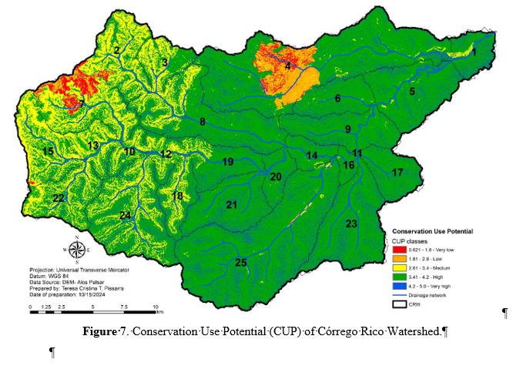

 |  |  |  |  |  |  | VALUE | COUNT | AREA m2 | area ha
 |  |  |  |  |  |  | 0.621 - 1.8 - Very Low | 50702 | 7922187.5 | 792.22
 |  |  |  |  |  |  | 1.81 - 2.6 - Low | 103239 | 16131093.75 | 1613.11
 |  |  |  |  |  |  | 2.61 - 3.4 - Medium | 554859 | 86696718.75 | 8669.67
 |  |  |  |  |  |  | 3.41 - 4.2 - High | 2538805 | 396688281.25 | 39668.83
 |  |  |  |  |  |  | 4.2 - 5.0 Very High | 413799 | 64656093.75 | 6465.61

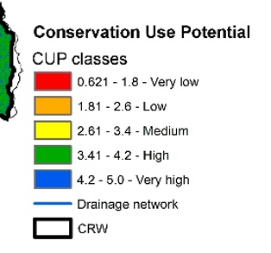

Recharge_Springs
SUBBASIN | COUNT | AREA | MIN | MAX | RANGE | MEAN
1 | 72616 | 11346250 | 5 | 5 | 0 | 5
2 | 161293 | 25202031.25 | 7 | 7 | 0 | 7
3 | 77374 | 12089687.5 | 7 | 7 | 0 | 7
4 | 539560 | 84306250 | 5 | 5 | 0 | 5
5 | 184776 | 28871250 | 5 | 5 | 0 | 5
6 | 98036 | 15318125 | 5 | 5 | 0 | 5
7 | 186888 | 29201250 | 7 | 7 | 0 | 7
8 | 271040 | 42350000 | 5 | 5 | 0 | 5
9 | 144412 | 22564375 | 5 | 5 | 0 | 5
10 | 42233 | 6598906.25 | 5 | 5 | 0 | 5
11 | 745 | 116406.25 | 5 | 5 | 0 | 5
12 | 51663 | 8072343.75 | 5 | 5 | 0 | 5
13 | 70185 | 10966406.25 | 5 | 5 | 0 | 5
14 | 48959 | 7649843.75 | 5 | 5 | 0 | 5
15 | 136963 | 21400468.75 | 7 | 7 | 0 | 7
16 | 24262 | 3790937.5 | 5 | 5 | 0 | 5
17 | 93435 | 14599218.75 | 5 | 5 | 0 | 5
18 | 83330 | 13020312.5 | 5 | 5 | 0 | 5
19 | 108151 | 16898593.75 | 5 | 5 | 0 | 5
20 | 53310 | 8329687.5 | 5 | 5 | 0 | 5
21 | 147559 | 23056093.75 | 5 | 5 | 0 | 5
22 | 128677 | 20105781.25 | 7 | 7 | 0 | 7
23 | 222064 | 34697500 | 5 | 5 | 0 | 5
24 | 258727 | 40426093.75 | 7 | 7 | 0 | 7
25 | 503074 | 78605312.5 | 5 | 5 | 0 | 5
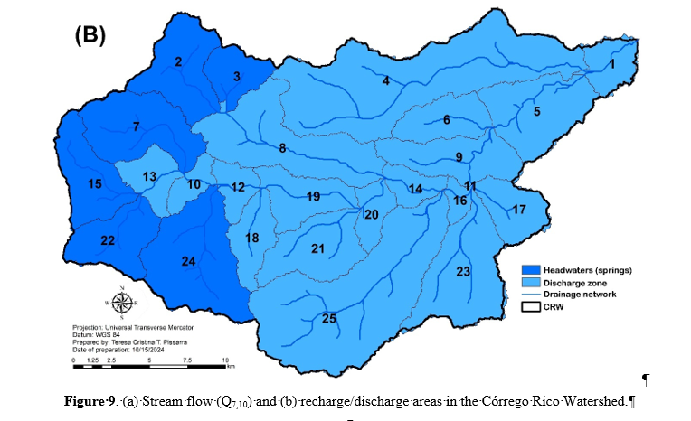

Q710
SUBBASIN | COUNT | AREA | MIN | MAX | RANGE | MEAN
1 | 72616 | 11346250 | 0.04 | 0.04 | 0.00 | 0.04
2 | 161293 | 25202031.25 | 0.08 | 0.08 | 0.00 | 0.08
3 | 77374 | 12089687.5 | 0.04 | 0.04 | 0.00 | 0.04
4 | 539560 | 84306250 | 0.30 | 0.30 | 0.00 | 0.30
5 | 184776 | 28871250 | 0.10 | 0.10 | 0.00 | 0.10
6 | 98036 | 15318125 | 0.07 | 0.07 | 0.00 | 0.07
7 | 186888 | 29201250 | 0.14 | 0.14 | 0.00 | 0.14
8 | 271040 | 42350000 | 0.21 | 0.21 | 0.00 | 0.21
9 | 144412 | 22564375 | 0.11 | 0.11 | 0.00 | 0.11
10 | 42233 | 6598906.25 | 0.03 | 0.03 | 0.00 | 0.03
11 | 745 | 116406.25 | 0.00 | 0.00 | 0.00 | 0.00
12 | 51663 | 8072343.75 | 0.03 | 0.03 | 0.00 | 0.03
13 | 70185 | 10966406.25 | 0.05 | 0.05 | 0.00 | 0.05
14 | 48959 | 7649843.75 | 0.03 | 0.03 | 0.00 | 0.03
15 | 136963 | 21400468.75 | 0.10 | 0.10 | 0.00 | 0.10
16 | 24262 | 3790937.5 | 0.01 | 0.01 | 0.00 | 0.01
17 | 93435 | 14599218.75 | 0.07 | 0.07 | 0.00 | 0.07
18 | 83330 | 13020312.5 | 0.06 | 0.06 | 0.00 | 0.06
19 | 108151 | 16898593.75 | 0.08 | 0.08 | 0.00 | 0.08
20 | 53310 | 8329687.5 | 0.04 | 0.04 | 0.00 | 0.04
21 | 147559 | 23056093.75 | 0.11 | 0.11 | 0.00 | 0.11
22 | 128677 | 20105781.25 | 0.10 | 0.10 | 0.00 | 0.10
23 | 222064 | 34697500 | 0.17 | 0.17 | 0.00 | 0.17
24 | 258727 | 40426093.75 | 0.20 | 0.20 | 0.00 | 0.20
25 | 503074 | 78605312.5 | 0.38 | 0.38 | 0.00 | 0.38
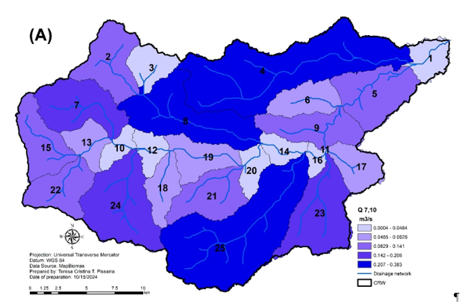

 |  |  |  |  |  | Q7,10 (m3/s) | VALUE | COUNT | area m2 | area ha
 |  |  |  |  |  | 0.0004 - 0.0484 | 1 | 371162 | 57994062.5 | 5799.40625
 |  |  |  |  |  | 0.0485 - 0.0828 | 2 | 453137 | 70802656.25 | 7080.265625
 |  |  |  |  |  | 0.0829 - 0.141 | 3 | 903680 | 141200000 | 14120
 |  |  |  |  |  | 0.145 - 0.206 | 4 | 667679 | 104324843.75 | 10432.484375
 |  |  |  |  |  | 0.207 - 0.383 | 5 | 1313674 | 205261562.5 | 20526.15625

SOC
Rowid | SUBBASIN | COUNT | AREA | MIN | MAX | RANGE | MEAN
1 | 1 | 66296 | 10358750 | 43 | 57 | 14 | 48.2
2 | 2 | 149361 | 23337656.25 | 43 | 57 | 14 | 48.2
3 | 3 | 75586 | 11810312.5 | 45 | 56 | 11 | 48.2
4 | 4 | 407214 | 63627187.5 | 35 | 61 | 26 | 48.4
5 | 5 | 181833 | 28411406.25 | 36 | 57 | 21 | 48.5
6 | 6 | 91483 | 14294218.75 | 37 | 58 | 21 | 48.0
7 | 7 | 148305 | 23172656.25 | 43 | 60 | 17 | 48.4
8 | 8 | 270429 | 42254531.25 | 37 | 59 | 22 | 48.1
9 | 9 | 141231 | 22067343.75 | 38 | 57 | 19 | 47.7
10 | 10 | 42175 | 6589843.75 | 43 | 56 | 13 | 48.0
11 | 11 | 745 | 116406.25 | 47 | 50 | 3 | 47.4
12 | 12 | 51635 | 8067968.75 | 43 | 57 | 14 | 48.1
13 | 13 | 69893 | 10920781.25 | 43 | 56 | 13 | 47.9
14 | 14 | 48846 | 7632187.5 | 36 | 54 | 18 | 47.2
15 | 15 | 134074 | 20949062.5 | 41 | 59 | 18 | 48.3
16 | 16 | 24262 | 3790937.5 | 42 | 53 | 11 | 47.6
17 | 17 | 89069 | 13917031.25 | 42 | 58 | 16 | 48.8
18 | 18 | 82825 | 12941406.25 | 43 | 58 | 15 | 48.1
19 | 19 | 108141 | 16897031.25 | 37 | 59 | 22 | 48.1
20 | 20 | 53310 | 8329687.5 | 42 | 59 | 17 | 48.4
21 | 21 | 147250 | 23007812.5 | 43 | 59 | 16 | 48.4
22 | 22 | 126167 | 19713593.75 | 41 | 60 | 19 | 48.2
23 | 23 | 212941 | 33272031.25 | 40 | 61 | 21 | 49.2
24 | 24 | 254605 | 39782031.25 | 41 | 56 | 15 | 47.9
25 | 25 | 491929 | 76863906.25 | 37 | 61 | 24 | 48.8

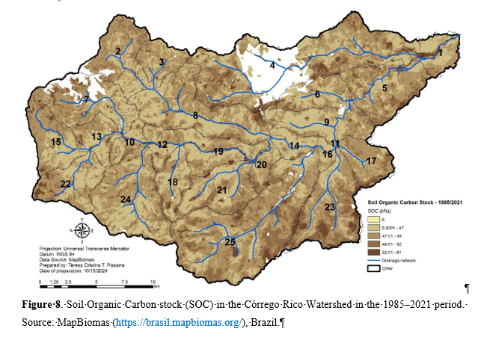
 |  |  |  |  |  |  | Classes | COUNT | rea_m2 | Area_ha
 |  |  |  |  |  |  | 0 | 0 | 0 | 0
 |  |  |  |  |  |  | 0.0001 - 47 | 1172562 | 183212812.5 | 18321.28125
 |  |  |  |  |  |  | 47.1 - 49 | 1673035 | 261411718.75 | 26141.171875
 |  |  |  |  |  |  | 49.1 - 52 | 526465 | 82260156.25 | 8226.015625
 |  |  |  |  |  |  | 52.01 - 61 | 98765 | 15432031.25 | 1543.203125

LULC_Biodiversity
Rowid | SUBBASIN | COUNT | AREA | MIN | MAX | RANGE | MEAN
1 | 1 | 67440 | 10537500 | 3 | 9 | 6 | 3.6
2 | 2 | 159193 | 24873906.25 | 0 | 9 | 9 | 3.6
3 | 3 | 76280 | 11918750 | 0 | 9 | 9 | 3.4
4 | 4 | 532454 | 83195937.5 | 0 | 9 | 9 | 3.5
5 | 5 | 182743 | 28553593.75 | 0 | 9 | 9 | 3.4
6 | 6 | 98036 | 15318125 | 0 | 9 | 9 | 3.4
7 | 7 | 185924 | 29050625 | 0 | 9 | 9 | 3.7
8 | 8 | 271040 | 42350000 | 0 | 9 | 9 | 3.5
9 | 9 | 143305 | 22391406.25 | 0 | 9 | 9 | 3.4
10 | 10 | 42233 | 6598906.25 | 0 | 9 | 9 | 3.7
11 | 11 | 745 | 116406.25 | 3 | 9 | 6 | 3.9
12 | 12 | 51663 | 8072343.75 | 0 | 9 | 9 | 3.6
13 | 13 | 70185 | 10966406.25 | 0 | 9 | 9 | 3.6
14 | 14 | 48959 | 7649843.75 | 0 | 9 | 9 | 3.4
15 | 15 | 135789 | 21217031.25 | 0 | 9 | 9 | 4.0
16 | 16 | 24262 | 3790937.5 | 3 | 9 | 6 | 3.4
17 | 17 | 90154 | 14086562.5 | 0 | 9 | 9 | 3.2
18 | 18 | 83330 | 13020312.5 | 0 | 9 | 9 | 3.6
19 | 19 | 108151 | 16898593.75 | 0 | 9 | 9 | 3.5
20 | 20 | 53310 | 8329687.5 | 0 | 9 | 9 | 3.7
21 | 21 | 147559 | 23056093.75 | 0 | 9 | 9 | 3.3
22 | 22 | 127414 | 19908437.5 | 0 | 9 | 9 | 3.8
23 | 23 | 215793 | 33717656.25 | 0 | 9 | 9 | 3.3
24 | 24 | 256733 | 40114531.25 | 0 | 9 | 9 | 3.3
25 | 25 | 500372 | 78183125 | 0 | 9 | 9 | 3.3

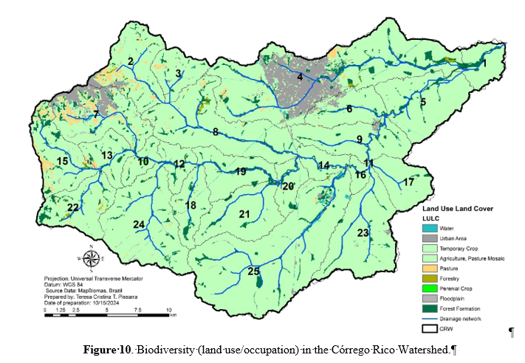
 |  |  |  |  |  |  | Land use/occupation | Area (km2) | Percentage (%)
 |  |  |  |  |  |  | Forest formation | 32.05 | 5.61 | OID | VALUE | COUNT | LULC | AREA m2 | area ha | area km 2
 |  |  |  |  |  |  | Forestry | 1.21 | 0.21 | 0 | 0 | 19310 | Áreas não Vegetadas/Aquicultura/Água Superfic (Non-vegetated areas) | 3017187.50 | 3017.19 | 3.02
 |  |  |  |  |  |  | Floodplain | 2.13 | 0.37 | 1 | 2 | 173049 | Infraestrutura Urbana (Urban infrastructure) | 27038906.25 | 27038.91 | 27.04
 |  |  |  |  |  |  | Pasture | 11.03 | 1.93 | 2 | 3 | 2727151 | Cultura Temporária (Temporary crops (sugarcane)) | 426117343.75 | 426117.34 | 426.12
 |  |  |  |  |  |  | Temporary crops (sugarcane) | 424.19 | 74.2 | 3 | 4 | 454896 | Mosaico de Agricultura e Pastagem (Mosaic of agriculture and pasture) | 71077500.00 | 71077.50 | 71.08
 |  |  |  |  |  |  | Mosaic of agriculture and pasture | 71.04 | 12.43 | 4 | 5 | 70735 | Pastagem (Pasture) | 11052343.75 | 11052.34 | 11.05
 |  |  |  |  |  |  | Urban infrastructure | 26.8 | 4.69 | 5 | 6 | 7826 | Silvicultura (Forestry) | 1222812.50 | 1222.81 | 1.22
 |  |  |  |  |  |  | Non-vegetated areas | 1.69 | 0.29 | 6 | 7 | 1056 | Cultura Perenes (Perennial crops) | 165000.00 | 165.00 | 0.17
 |  |  |  |  |  |  | Aquaculture | 0 | 0 | 7 | 8 | 13546 | Várzea (Floodplain) | 2116562.50 | 2116.56 | 2.12
 |  |  |  |  |  |  | Drainage Network | 1.34 | 0.23 | 8 | 9 | 205808 | Formação Florestal (Forest formation) | 32157500.00 | 32157.50 | 32.16
 |  |  |  |  |  |  | Perennial Crops | 0.16 | 0.03
 |  |  |  |  |  |  | Total | 571.66 | 100 |  |  |  |  |  |  | 573.97

ES
Rowid | SUBBASIN | COUNT | AREA | MIN | MAX | RANGE | MEAN
1 | 1 | 66456 | 10383750 | 3.2000002861 | 7.1000003815 | 3.9000000954 | 4.3467994494
2 | 2 | 149661 | 23384531.25 | 3.0000002384 | 7.4000000954 | 4.3999998569 | 4.9845479332
3 | 3 | 75868 | 11854375 | 2.9000003338 | 7.3000001907 | 4.3999998569 | 4.7562990268
4 | 4 | 415531 | 64926718.75 | 2.9000000954 | 7.3000001907 | 4.4000000954 | 4.700227566
5 | 5 | 182079 | 28449843.75 | 3.2000000477 | 7.2000002861 | 4.0000002384 | 4.5417788368
6 | 6 | 96790 | 15123437.5 | 2.7500002384 | 7.1500000954 | 4.3999998569 | 4.3442752296
7 | 7 | 143000 | 22343750 | 3.0500001907 | 7.8499999046 | 4.7999997139 | 5.1110150662
8 | 8 | 271040 | 42350000 | 2.9000000954 | 7.3000001907 | 4.4000000954 | 4.632566121
9 | 9 | 143120 | 22362500 | 2.8000001907 | 7.2000002861 | 4.4000000954 | 4.3630893247
10 | 10 | 42233 | 6598906.25 | 2.7000002861 | 7.1000003815 | 4.4000000954 | 4.5265883087
11 | 11 | 745 | 116406.25 | 3.6000001431 | 6.3000001907 | 2.7000000477 | 4.3159060686
12 | 12 | 51663 | 8072343.75 | 3.1000001431 | 7.1000003815 | 4.0000002384 | 4.5572335189
13 | 13 | 70185 | 10966406.25 | 2.7500002384 | 7.1500000954 | 4.3999998569 | 4.6275307589
14 | 14 | 48959 | 7649843.75 | 2.9500002861 | 6.7000002861 | 3.75 | 4.1977971754
15 | 15 | 134575 | 21027343.75 | 3.0000002384 | 8.1999998093 | 5.1999995708 | 5.1009963202
...
20 | 20 | 53310 | 8329687.5 | 3.1000001431 | 7.1000003815 | 4.0000002384 | 4.4610374077
21 | 21 | 147559 | 23056093.75 | 2.8000001907 | 7.2000002861 | 4.4000000954 | 4.4410452533
22 | 22 | 126675 | 19792968.75 | 3.0000002384 | 7.4000000954 | 4.3999998569 | 4.9198462904
23 | 23 | 214225 | 33472656.25 | 3.1000001431 | 7.2500004768 | 4.1500003338 | 4.6475342256
24 | 24 | 255830 | 39973437.5 | 3.0500001907 | 7.4500002861 | 4.4000000954 | 4.7823456943
25 | 25 | 495118 | 77362187.5 | 2.9000000954 | 7.3000001907 | 4.4000000954 | 4.6478237562

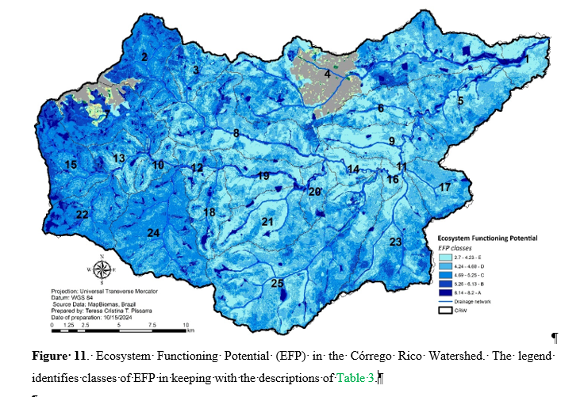
 |  |  |  |  |  |  | Classes

 |  |  |  |  |  |  |  | AREA | Area_ha
 |  |  |  |  |  |  |  | 139958750 | 13995.875
 |  |  |  |  |  |  |  | 199003906.25 | 19900.390625
 |  |  |  |  |  |  |  | 143267812.5 | 14326.78125
 |  |  |  |  |  |  |  | 43881093.75 | 4388.109375
 |  |  |  |  |  |  |  | 19160156.25 | 1916.015625
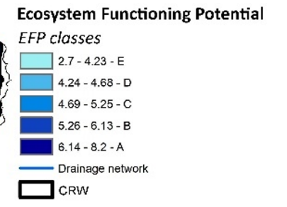

MEAN ANALYSIS
Rating Biodiversity | EFP | ES | ES EQ | PUC EQ |  | ES | PUC
4 | 4.6 | 2.6 | 2.6 | 2.0 | MIN | 1.1 | 1.6
4 | 5.2 | 2.8 | 2.8 | 2.4 | MAX | 5.1 | 3.2
3 | 4.7 | 2.7 | 2.7 | 2.0
3 | 4.7 | 2.7 | 2.7 | 2.0
3 | 4.6 | 2.6 | 2.6 | 2.0
3 | 4.5 | 2.5 | 2.5 | 2.0
4 | 5.3 | 2.9 | 2.9 | 2.4
3 | 4.7 | 2.7 | 2.7 | 2.0
3 | 4.6 | 2.6 | 2.6 | 2.0
4 | 4.6 | 2.6 | 2.6 | 2.0
4 | 4.6 | 2.6 | 2.6 | 2.0
4 | 4.6 | 2.6 | 2.6 | 2.0
4 | 4.6 | 2.6 | 2.6 | 2.0
3 | 4.5 | 2.5 | 2.5 | 2.0
4 | 5.0 | 3.0 | 3.0 | 2.0
3 | 4.5 | 2.5 | 2.5 | 2.0
3 | 4.5 | 2.5 | 2.5 | 2.0
4 | 4.6 | 2.6 | 2.6 | 2.0
4 | 4.6 | 2.6 | 2.6 | 2.0
4 | 4.6 | 2.6 | 2.6 | 2.0
3 | 4.6 | 2.6 | 2.6 | 2.0
4 | 4.9 | 2.9 | 2.9 | 2.0
3 | 5.0 | 3.0 | 3.0 | 2.0
3 | 4.8 | 2.8 | 2.8 | 2.0
3 | 4.7 | 2.7 | 2.7 | 2.0

 | 4.5
 | 5.3
 | 4.7

